To Do's
Status | Date | Task | Description | Who? | Comment/Response
3-PENDING | 11/17/19 | Directory Structure | Process Full Config file to put data in agreed upon directory structure |  | SynChart_YYMMDD_HHMMSS/ SynChart.config // config file used SynChart.log // log of all charts generated Chart1/ .png, .svg, -gt.json, -overlay.png Chart2/ | updated file structure: RunName_YYMMDD_HHMMSS/ SynChart.config //config file used SynChart.csv // datafile used RunName-Summary.csv // all charts generated RunName.log // log file for script, so for example, you can output the exact // command run, etc as well as errors, timing whatever Chart00001/ // zero padded to 5 so they sort nicely Chart00001.png, Chart00001-gt.json, Chart00001.svg Chart00001-overlay.png Chart00002/
3-PENDING | 11/17/19 | Log File Structure | Create Column Log Structure with JSON all possible JSON attributes |  | See Tab 2
4-COMPLETE | 11/17/19 | Color Coding of Ground Truth Overlay
3-PENDING | 11/17/19 | Understand Issues with Extra tick marks | Is this an artifact of the way they are generated? I can't imagine they are always that way |  | Consider the comments from: tacaswell commented on Feb 1, 2016 https://github.com/matplotlib/matplotlib/issues/5937 . We need to filter based on the plot range. " Calling ax.get_xticks() eventually falls through to just calling the locator object, which returns all the plausible tick locations (as it is normally the job of some other part of the code to filter if those ticks are in the view limits)."
3-PENDING | 11/17/19 | Blank Data | Ground Truth should not be generated for content that is not visable |  | add a config for color of bbox

3-PENDING | 11/18/19 | default config file | add a default config file to pick values from |  | take care of multiple value of source
3-PENDING | 11/18/19 | chart generation is not right | revisit bar charts and make sure the charts are getting generated as per csv and config prroperties defined, and nothing is hard coded. |  | example, labels are wrong, legend is wrong, when you change orientation , the labels should flip as well
3-PENDING | 11/18/19 | incorrect log file | log file should not have data at all |  | the log file should just have config file parameters specified for that particular chart Can we put chart number and folder name out front? Some things don't make sence like barwidth for scatter?
2-PRIORITY | 11/18/19 | summary log file | use the concatenated version of corrected log file to generate a summery file
3-PENDING | 11/18/19 | label / tick generated as per source parameter in config file |  |  | "Labels": [ { "Source": "DATAFILE" }, { "Source": "RANGE", "MIN": 10, "MAX": 1000, "Count": 100 }, { "Source": "RANGE", "MIN": 400, "MAX": 800, "Count": 20 }, { "Source": "COMPUTED", "Count": 100 } ]
3-PENDING | 11/18/19 | Bounding box for x axis and y axis |  |  | use the coordinate of first and last ticks on x and y axis to draw the axis BB
3-PENDING | 11/18/19 | rename 'which' in tick config to a more meaningful keyword
3-PENDING | 11/18/19 | add different colors to types of bounding boxed while plotting overlays of ground truth.
3-PENDING | 11/18/19 | Ground truth JSON has same values of label block and major tick labels, correct that. |  |  | remove duplicate entries
3-PENDING | 11/18/19 | check if ground truth of major and minor ticks overlap ?
3-PENDING | 11/18/19 | In ground truth , retain original data coordinate of tick marks and add a buffer for bounding box only while plotting it on overlay
3-PENDING | 11/18/19 | In Ground Truth JSON, , getxticks(), major and minor ticks by adding a property explicitly in JSON
3-PENDING | 11/18/19 | dont add lables in JSON with null text. |  | revisit this
3-PENDING | 11/18/19 | do one on one mapping between labels and ticks entries by same id, remove labels with null text from JSON
3-PENDING | 11/18/19 | add a flag variable 'type' in LABELS , this states what kind of LABEL it is, either 'major' or 'minor'
3-PENDING | 11/18/19 | add a flag variable 'type' in TICKS , this states what kind of TICK it is, either 'major' or 'minor'
3-PENDING | 11/18/19 | if an axis is not visible, do not generate charts more than one for same settings. |  |  | example, if y axis is not visible, just have one chart for same settings of y axis invisible for one set of settings for x-axis
2-PRIORITY | 11/18/19 | Explanation on how Data can be plotted with respect to various axes | This format has been updated after discusstion to as mentioned in next row (A27) | Doermann | 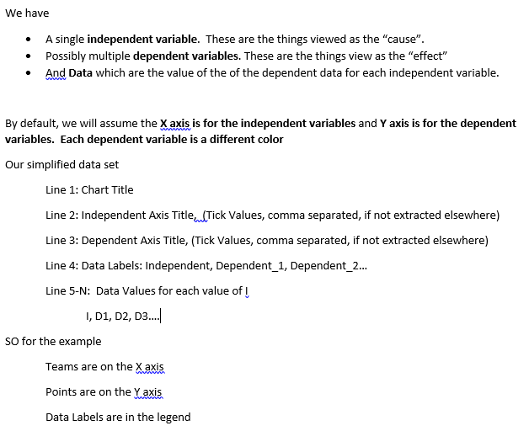

 | 12/04/2019 | updated the csv dat afile format | example of a csv format (updated format ) |  | Points Scored Team Points,0,25,50,75 Team,Period 1,Period 2 Team 1,24,89 Team 2,36,24 Team 3,12,37 Team 4,38,63 Team 5,24,89 Team 6,36,24 Team 7,12,37 Team 8,38,63
 | 12/04/2019 | no individual log file, only keep one single summary log file, name it as summary-log.csv, also add data file and chart file nme as a column in summary file
 | 12/04/2019 | create a config file to set the color of bounding box while plotting ground truth
 | 12/04/2019 | Independent axis scale -> log ? implement axis log type
 | 12/04/2019 | implement range option in source from config file
 | 12/04/2019 | put * prefix before all keys not being used in config file
 | 12/04/2019 | in summary log file, dependent_axis_visible is not there, add it as a column
 | 12/04/2019 | in log file, for chart tupe scatter, line_width option should not be there
 | 12/04/2019 | do not plot bbox outside plot area (remove first and last bbox currently being plotted)
 | 12/04/2019 | revisit output_*.json files and check why MAJOR_TICK_LABELS section has values with x -0, y-0 , widht =1 and height =1 .... ?
 | 12/04/2019 | output*.json should not have an entry if axis is not visible
 | 12/04/2019 | rename TICK_BLOCK to TICK_POINTS in output*.json

 | 12/19/2019 | rename TICK_BLOCKS to TICK_POINTS in ground truth file
 | 12/19/2019 | in LABEL_BLOCK add property TICK_ID
 | 12/19/2019 | in TICK_BLOCKS add property LABEL_ID
 | 12/19/2019 | Create a document with explanation about the project code
 | 12/19/2019 | add data csv file in synchart folder
 | 12/19/2019 | add tick.json config in synchart folder

